Sheet1
 |  |  | 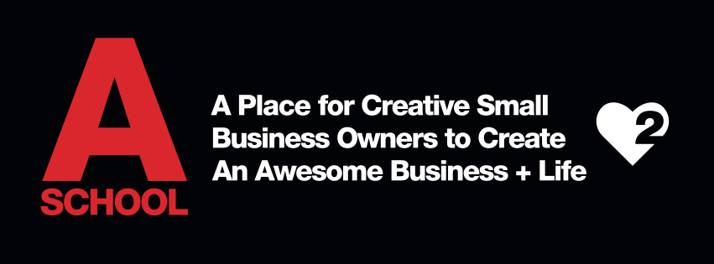
Basic Biz P + L & Sales Forecast
P + L |  |  |  | Sales Forecast

Sales | $ | % of sales |  |  | January | % of sales | February | % of sales | Etc…
Service | $100 | 67% |  | Haircut sales | $20 | 24%
Product | $50 | 33% |  | Color sales | $50 | 59%
Other |  |  |  | Extension sales | $10
Total | $150 | 100% |  | Gift card sales | $0
Cost of Sales |  |  |  | Product sales | $5
Product | $25 |  |  | Total Sales | $85
Gross Profit | $125

Expenses | $ | % of sales
Rent | $15 | 10%
Payroll
Payroll taxes
Biz taxes
Retail Product
Service Product
Supplies
Utilities
Bank Fees
Marketing
Legal
Accounting
Education
Laundry
Housekeeping
Misc.

Total

Net Profit (Gross Sales/Profits - Expenses)

Other (accountant expert stuff here)

Net Net Profit (actual profit)

